Puma
 |  |  |  |  | JR | 10 | 11 | 11.5 | 12 | 13 | 1 | 1.5 | 2.5 | 3.5 | 4 | 4.5 | 5 | 5.5 | 6
 |  |  |  |  | ADLT | 3.5 | 4 | 4.5 | 5 | 5.5 | 6 | 6.5 | 7 | 7.5 | 8 | 8.5 | 9 | 9.5 | 10 | 10.5 | 11 | 11.5 | 12
Photo | SKU | Description | WHS | RRP |  |  |  |  |  |  |  |  |  |  |  |  |  |  |  |  |  |  |  | Qty.
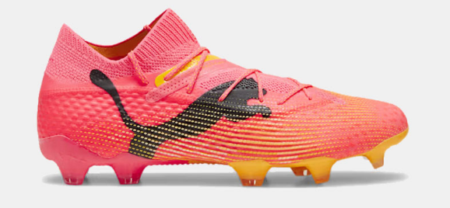 | 107599-03 | FUTURE 7 ULTIMATE FG | 115.00 € | 230.00 € | ADLT | 1 |  |  | 1 |  | 5 | 3 |  | 6 | 2 | 3 | 1 | 2 | 2 |  | 3 |  | 3 | 32
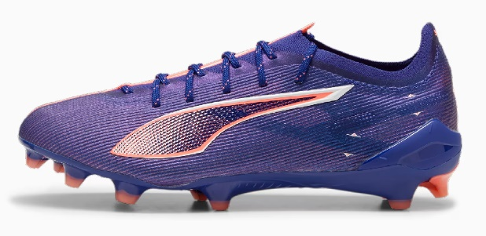 | 107683-01 | ULTRA 5 ULTIMATE FG | 115.00 € | 230.00 € | ADLT |  |  |  |  |  | 2 | 3 | 3 | 3 | 4 | 4 | 3 | 1 | 1 |  | 1 |  | 1 | 26
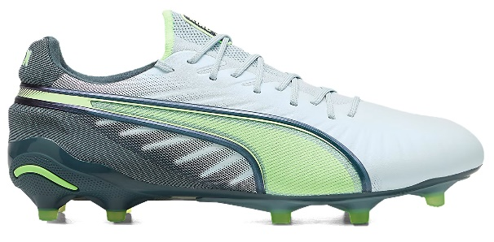 | 107689-02 | ULTRA 5 PLAY FG/AG | 27.50 € | 55.00 € | ADLT |  |  |  |  |  |  |  |  | 3 |  |  | 9 | 1 |  |  |  |  |  | 13
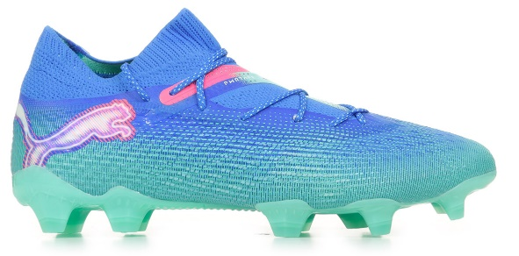 | 107809-03 | KING ULTIMATE FG/AG | 110.00 € | 220.00 € | ADLT |  |  |  |  |  | 1 | 1 |  | 1 | 2 |  | 3 | 2 |  | 1 | 1 |  | 1 | 13
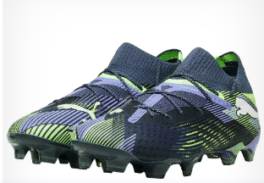 | 107862-01 | KING PRO FG/AG | 60.00 € | 120.00 € | ADLT |  |  |  |  |  |  | 3 |  | 3 | 3 |  | 3 | 2 |  |  |  |  |  | 14
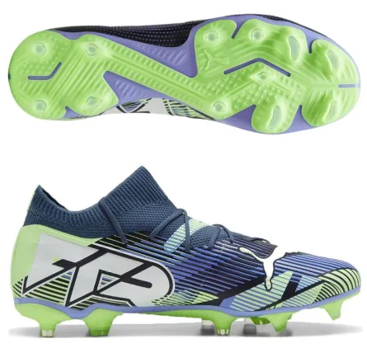 | 107916-01 | FUTURE 7 ULTIMATE FG | 115.00 € | 230.00 € | ADLT |  |  |  |  |  | 2 | 2 |  | 1 | 4 | 1 | 8 | 7 | 1 | 8 | 1 |  |  | 35
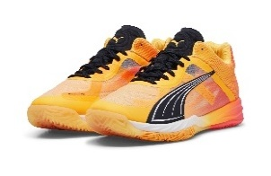 | 107916-03 | FUTURE 7 ULTIMATE FG | 115.00 € | 230.00 € | ADLT |  |  |  |  |  | 4 | 7 |  | 7 | 12 | 3 | 13 | 15 | 6 |  | 3 |  | 3 | 73
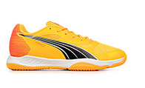 | 107931-03 | FUTURE 7 MATCH FG/AG | 45.00 € | 90.00 € | ADLT |  |  |  |  |  | 34 | 43 | 1 | 50 | 64 | 8 | 76 | 70 | 10 | 37 | 38 |  | 9 | 440
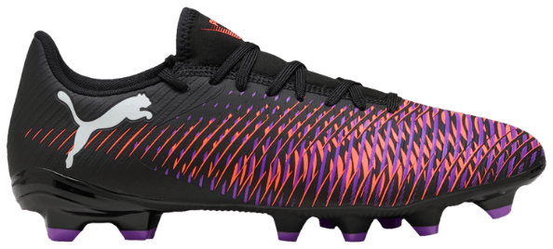 | 108039-01 | ACCELERATE NITRO SQD | 75.00 € | 150.00 € | ADLT |  |  |  |  |  |  |  |  |  |  |  |  |  | 1 | 1 | 2 |  | 2 | 6
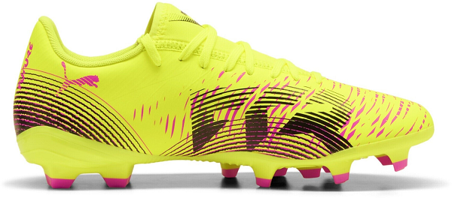 | 108046-01 | ACCELERATE JR | 32.50 € | 65.00 € | JR |  |  |  |  |  | 2 | 2 | 2 |  | 2 | 2 |  | 2 |  |  |  |  |  | 12
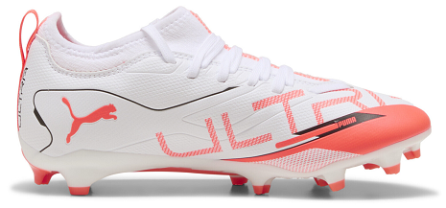 | 108138-01 | FUTURE 8 ULTIMATE FG | 115.00 € | 230.00 € | ADLT |  |  |  |  |  | 3 | 2 |  | 3 | 2 | 5 | 3 |  | 4 | 4 | 1 |  | 1 | 28
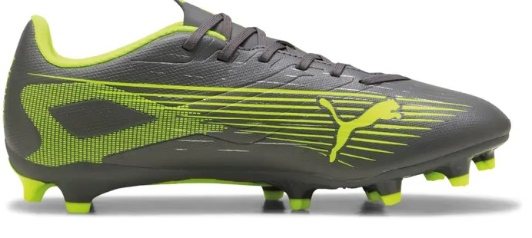 | 108139-01 | FUTURE 8 PRO FG/AG | 70.00 € | 140.00 € | ADLT |  |  |  |  |  |  |  | 4 | 1 |  | 1 | 4 | 1 | 4 |  | 4 |  |  | 19
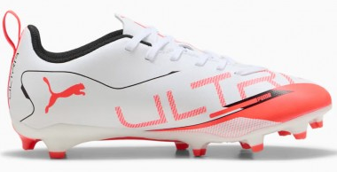 | 108139-03 | FUTURE 8 PRO FG/AG | 70.00 € | 140.00 € | ADLT |  |  |  |  |  | 9 | 9 |  | 10 | 13 | 2 | 15 | 15 |  | 12 | 9 |  | 1 | 95
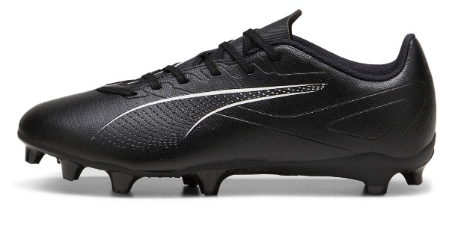 | 108140-01 | FUTURE 8 MATCH FG/AG | 47.50 € | 95.00 € | ADLT |  |  |  |  |  |  |  |  | 3 | 4 | 1 | 3 | 1 |  |  |  |  | 2 | 14
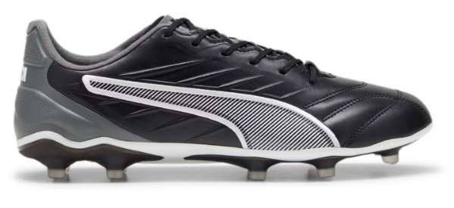 | 108141-01 | FUTURE 8 PLAY FG/AG | 30.00 € | 60.00 € | ADLT |  |  |  |  |  |  | 24 | 4 | 37 | 106 | 28 | 90 | 56 | 64 | 51 | 59 |  |  | 519
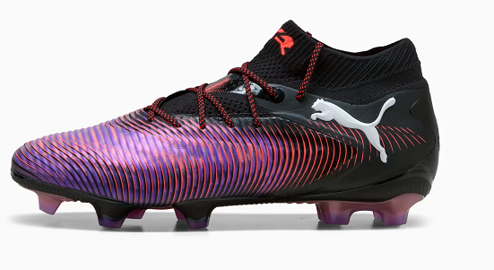 | 108141-03 | FUTURE 8 PLAY FG/AG | 30.00 € | 60.00 € | ADLT |  |  |  |  |  | 20 | 20 |  | 64 | 79 | 6 | 103 | 78 | 8 | 44 | 33 |  | 5 | 460
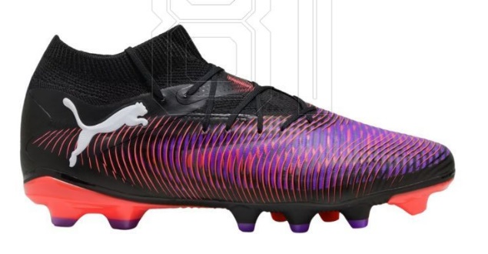 | 108143-01 | FUTURE 8 MATCH FG/AG | 35.00 € | 70.00 € | JR | 1 |  |  | 4 | 10 | 8 | 12 |  | 6 |  |  |  |  |  |  |  |  |  | 41
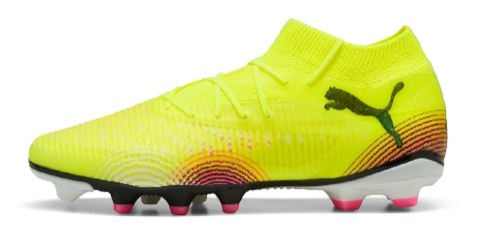 | 108144-01 | FUTURE 8 PLAY FG/AG | 25.00 € | 50.00 € | JR |  |  |  |  |  | 1 |  | 2 | 1 | 3 |  | 3 |  |  |  |  |  |  | 10
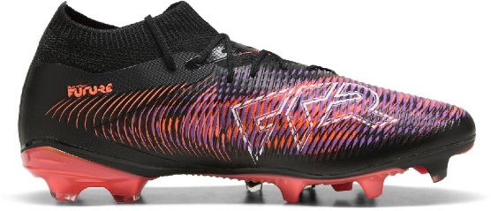 | 108159-01 | ULTRA 5 ULTIMATE FG | 115.00 € | 230.00 € | ADLT |  |  |  |  | 1 | 2 | 1 | 2 | 4 | 4 | 3 | 6 | 5 | 3 | 4 | 2 |  | 3 | 40
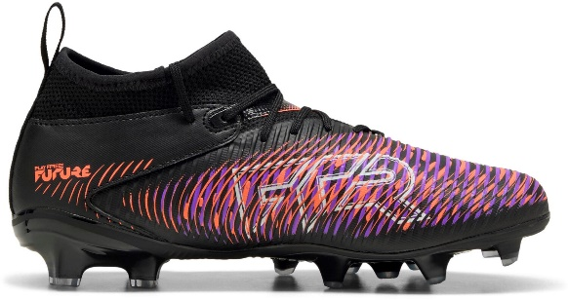 | 108161-01 | ULTRA 5 PRO FG/AG | 70.00 € | 140.00 € | ADLT |  |  |  |  |  | 3 | 3 | 1 | 4 | 6 | 3 | 8 | 7 | 3 | 3 | 2 |  | 1 | 44
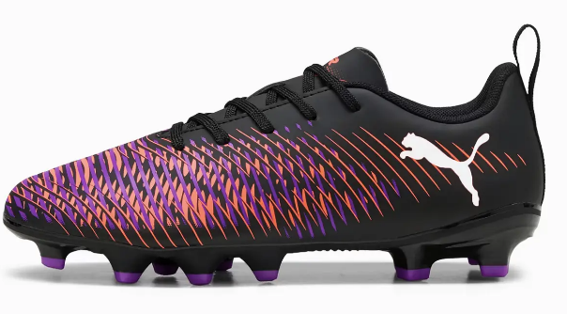 | 108161-02 | ULTRA 5 PRO FG/AG | 70.00 € | 140.00 € | ADLT |  |  |  |  |  |  | 1 |  |  | 2 |  | 2 | 2 | 1 | 1 | 1 |  | 1 | 11
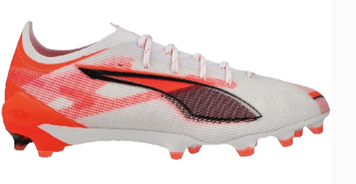 | 108161-03 | ULTRA 5 PRO FG/AG | 70.00 € | 140.00 € | ADLT |  |  |  |  |  | 8 | 8 |  | 8 | 8 |  | 8 | 8 |  | 8 | 8 |  |  | 64
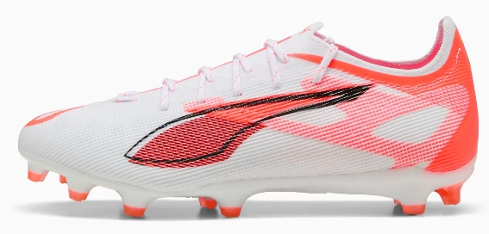 | 108162-01 | ULTRA 5 MATCH+ FG/AG | 47.50 € | 95.00 € | ADLT |  |  |  |  |  | 1 | 1 | 1 | 1 |  |  | 2 | 3 | 2 | 1 | 1 |  | 1 | 14
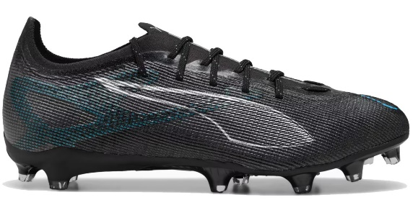 | 108162-03 | ULTRA 5 MATCH+ FG/AG | 47.50 € | 95.00 € | ADLT |  |  |  |  |  | 1 | 1 |  | 2 | 5 | 2 | 5 | 3 |  | 2 | 1 |  | 1 | 23
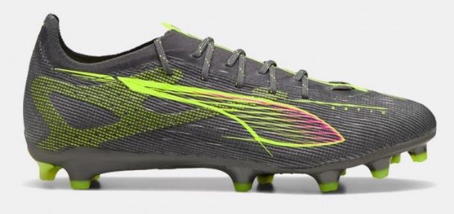 | 108163-01 | ULTRA 5 MATCH+ LL FG | 35.00 € | 70.00 € | JR | 2 | 2 | 1 | 3 |  |  |  |  | 2 | 2 |  | 5 |  |  |  |  |  |  | 17
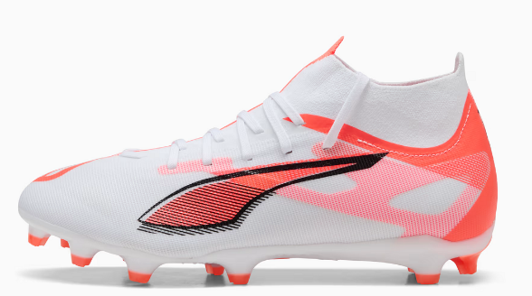 | 108166-01 | ULTRA 5 MATCH FG/AG | 42.50 € | 85.00 € | ADLT |  |  |  |  |  | 3 | 2 |  | 2 | 11 | 1 | 3 | 1 | 1 |  |  |  | 2 | 26
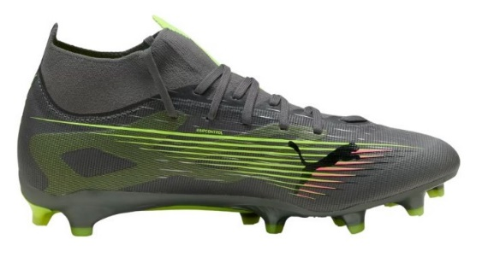 | 108167-01 | ULTRA 5 MATCH FG/AG | 32.50 € | 65.00 € | JR | 7 | 7 | 6 | 7 | 13 | 13 | 18 | 18 | 18 | 22 |  | 18 |  |  |  |  |  |  | 147
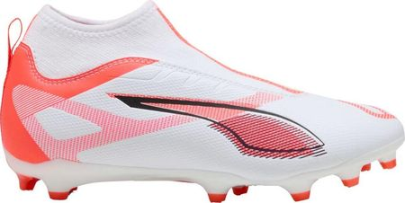 | 108169-01 | ULTRA 5 PLAY FG/AG | 27.50 € | 55.00 € | ADLT |  |  |  |  |  |  |  |  | 2 | 1 | 2 | 3 | 2 |  | 2 |  |  |  | 12
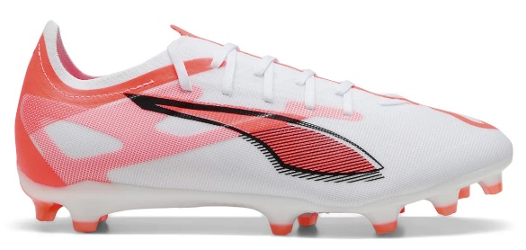 | 108169-03 | ULTRA 5 PLAY FG/AG | 27.50 € | 55.00 € | ADLT |  |  |  |  |  | 16 | 20 | 5 | 31 | 46 | 12 | 39 | 36 | 12 | 30 | 33 |  | 8 | 288
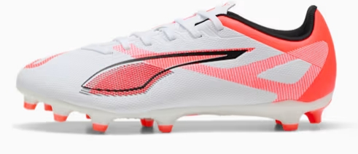 | 108170-01 | ULTRA 5 PLAY FG/AG J | 22.50 € | 45.00 € | JR | 5 | 5 | 3 |  | 2 | 5 | 21 | 55 | 31 | 38 |  | 15 |  |  |  |  |  |  | 180
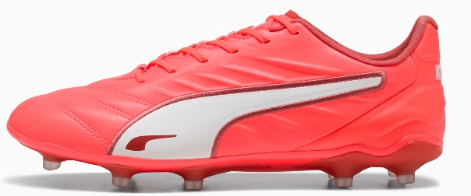 | 108308-01 | KING PRO FG/AG | 60.00 € | 120.00 € | ADLT |  |  |  |  |  | 1 | 1 |  | 1 | 3 |  | 3 | 1 | 1 | 1 | 1 |  | 1 | 14
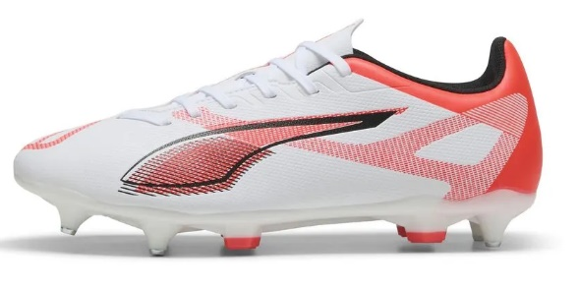 | 108330-01 | ULTRA 5 PLAY MxSG | 30.00 € | 60.00 € | ADLT |  |  |  |  |  |  | 1 |  | 3 |  | 7 | 6 | 1 |  | 2 | 1 |  |  | 21
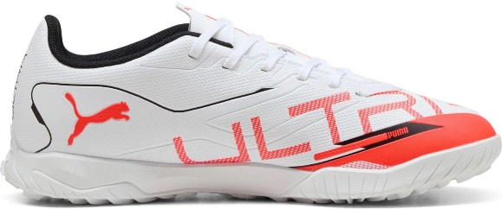 | 108331-01 | ULTRA 5 PLAY TT | 27.50 € | 55.00 € | ADLT |  |  |  |  |  | 6 | 7 | 6 | 10 | 10 | 12 | 12 | 13 | 13 | 12 |  |  | 4 | 105
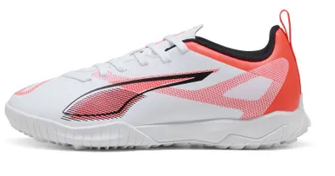 | 108333-01 | ULTRA 5 PLAY TT JR | 22.50 € | 45.00 € | JR | 1 | 1 | 1 | 2 | 2 | 2 | 1 | 2 | 1 | 2 |  |  |  |  |  |  |  |  | 15
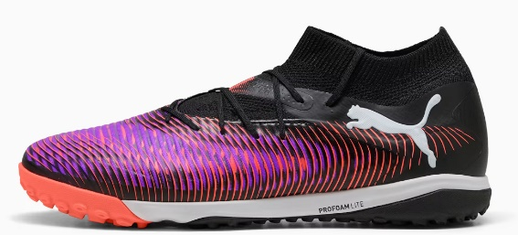 | 108366-01 | FUTURE 8 PRO Cage | 60.00 € | 120.00 € | ADLT |  |  |  |  |  | 6 | 6 | 6 | 10 | 10 | 11 | 12 | 12 | 12 | 12 | 6 |  | 4 | 107
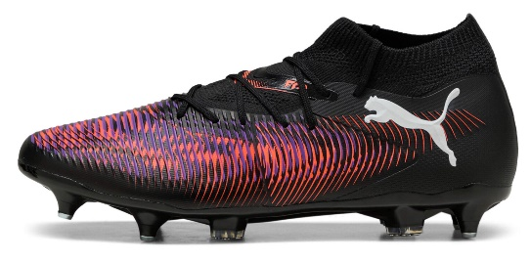 | 108367-01 | FUTURE 8 MATCH MxSG | 50.00 € | 100.00 € | ADLT |  |  |  |  |  |  | 2 |  | 2 | 2 | 1 | 2 | 2 | 2 | 1 |  |  |  | 14
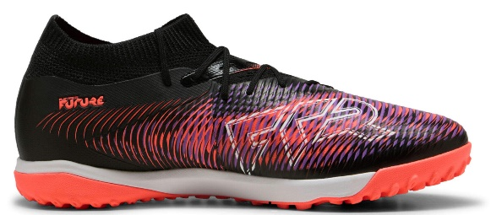 | 108370-01 | FUTURE 8 MATCH TT | 47.50 € | 95.00 € | ADLT |  |  |  |  |  | 4 | 3 |  | 4 | 5 | 3 | 4 | 4 | 5 | 6 | 3 |  | 2 | 43
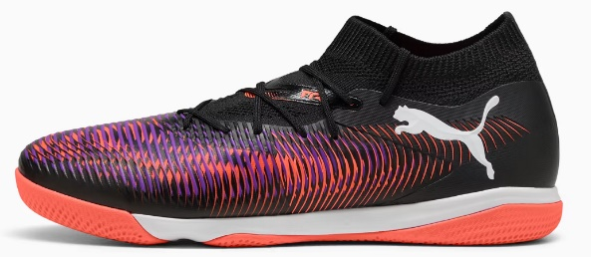 | 108371-01 | FUTURE 8 MATCH IT | 47.50 € | 95.00 € | ADLT |  |  |  |  |  | 1 |  | 1 | 1 | 2 | 1 | 3 | 2 | 1 | 2 | 1 |  | 1 | 16
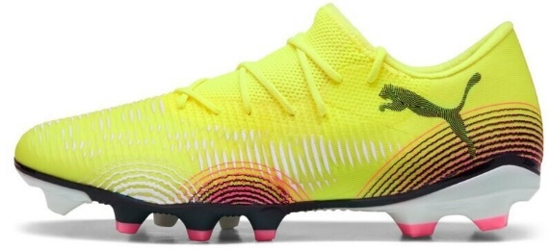 | 108372-03 | FUTURE 8 MATCH Low F | 42.50 € | 85.00 € | ADLT |  |  |  |  |  |  |  |  |  | 5 |  | 5 | 3 |  |  |  |  |  | 13
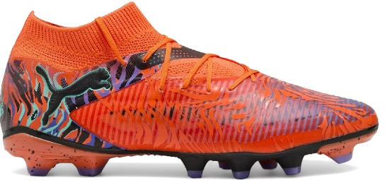 | 108650-01 | FUTURE 8 PRO CREATIV | 70.00 € | 140.00 € | ADLT |  |  |  |  |  |  | 1 | 1 |  | 3 | 1 | 1 | 1 | 1 | 1 | 1 |  | 1 | 12
 |  |  |  |  |  |  |  |  |  |  |  |  |  |  |  |  |  |  |  |  |  |  |  | 3076

